Sheet1
Breaker/ Post Driver Test Report
 |  |  |  |  | C002
Date: | date/time2022-01-29 20:59:25 |  | Article Number: | ASIM56
Employee Code: |  |  | Description: | qfqf
 |  |  | Serial Number:

 | Min | Max | Actual
Temperature (0C)
Pressure (Bar)
Flow (LPM)
BPM

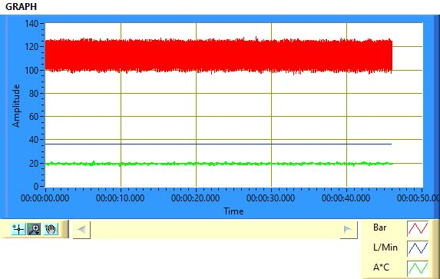
Result | OK
Rejection code (If NOK)
Graph

